CL&U
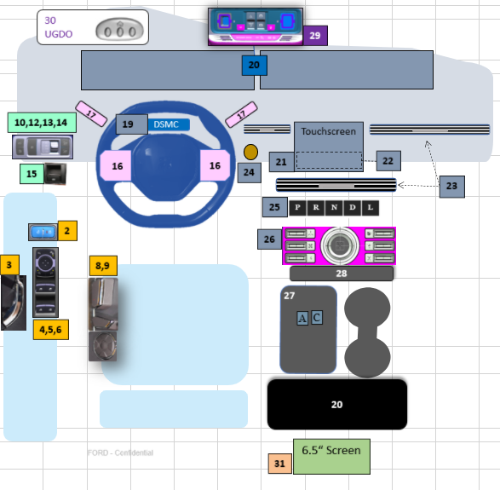
Area | No. | Switches | CIED/Program Assumtion | Hard Button | In Screen | Overall Status | Studio | Comment
Door | 1 | Solider Post LED | Delete | NA | NA
 | 2 | Door lock/unlock switch | U611 | X |  |  | crystal coating | 2 gang w/o memory controls. Studio request to add crystal coating Indicator on lock switch
 | 3 | Interior door release | CX483 | X |  |  |  | China: traditional release button/ NA: CX727 elatch
 | 4 | Window Switches | U611 | X |  |  | crystal coating | hard button for China
 | 5 | Mirror fold and adjust | U611 | X |  |  | crystal coating | hard button for China
 | 6 | window and child lock | U611 | X |  |  | crystal coating | Integrated with window switches. RDS is to move to all digital.
Seats | 7 | seat memory controls | CD542 |  | X |  |  | China is ahead of NA and investigating PPP with Duer OS while booking ehanced memory controls as fallback alt.
 | 8 | Seat controls - 30 way |  | X | X |  |  | basic controls - recline, fore-aft on seat. Pei-plate to control advanced controls - lumabr, thoracic and thigh ext in the screen. The circle button in the center is the hotkey, 4 keys surround could control features in the screen. The adjustment could be completed in screen as well.
 | 9 | seat massage control |  | X - HOT KEY |  |  | crystal coating despite hot key | Hot key execution. part of new RD swithpack. Low trim no massage.
IP OB | 10 | Headlamp - Auto lamp, park lamp, low beam, panel dim | U611 | X |  |  |  | Deviating RDS to have all digital headlamp. Need to confirm if studio is aligned with c/o design in terms of crystal coating.
 | 11 | Front Fog | Deleted |  |  |  |  | No front fog lamps
 | 12 | Rear Fog | U611 | X |  |  | crystal coating ? | part of c/o u611 headlamp switch-pack.
 | 13 | Power Liftgate | U611 | X |  |  | crystal coating ? | part of c/o u611 headlamp switch-pack.
 | 14 | Nircos | NA |  |  |  | crystal coating ? | not for China, only for NA FHEV/PHEV
 | 15 | EPB | U540 | X |  |  | crystal coating ? | need to confirm if cystal coating is required
steering wheel | 16 | sw switches | new modular touchpads | X - touch pads |  |  |  | new modular labelless touch pad with pano assisted graphics
 |  | steering column adjust | U611 | x |  |  |  | low trim mannual, high trim power
 | 17 | stalks | u611 | X
 | 18 | paddle shifters | Delete | na | NA
 | 19 | DSMC | New | X |  |  |  | mounted on steering column
IP | 20 | 23.4" HHDD screens | New | X
 | 21 | 11.1" landscape touch scren | New | X
 | 22 | Climate controls | New HMI |  | X
 | 23 | EM Air Regi controls | New |  | X |  |  | control paradigm under development
 | 24 | PTS key | New | X
console | 25 | piano keys - prndl | New | X
 | 26 | ICP switch pack | New | X |  |  |  | deviating due to non catalogue unique switch-pack which has 1 volume knob and 6 push buttons. Parking, camera, SDM ,AUTO S/S, hazard, max defrost. FHEV include Autohold rather than AUTO S/S.
 | 27 | Power Points - A & C USBs | New | X
 | 28 | Inductive charger | New | X
OHC | 29 | OHC Console | U611 | X |  |  |  | cntains global on/off, door defeat, moon roof, SOS and sunglass case
 | 29 | PADI indicator |  | x |  |  |  | indicator on OHC and in screen
 | 30 | UGDO | NA |  |  |  |  | not for China
 | 29 | Ecall | P702 | x |  |  |  | only for China (STD) and MEA (Arabic only)

2 row | 31 | seat heating and venting | new design | X |  |  |  | mid trim toggle hard button
 | 31 | seat heating and venting | new design |  | x |  |  | high trim screen for China only

Mini ICP
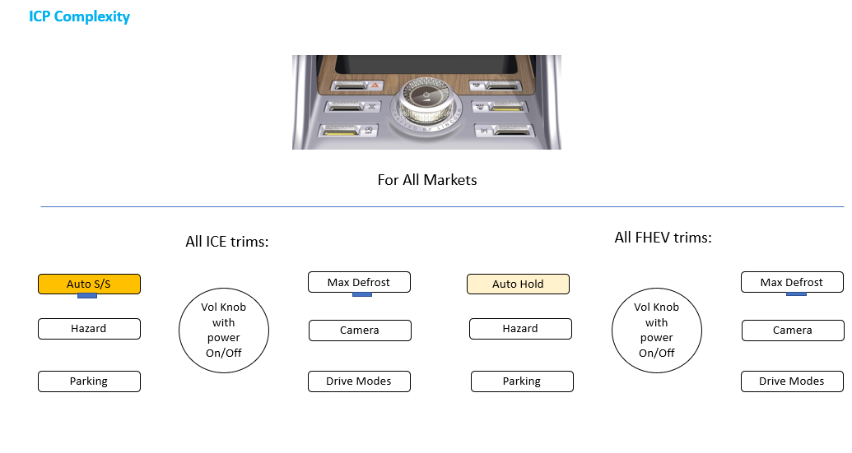

charging ports
